Inquiry
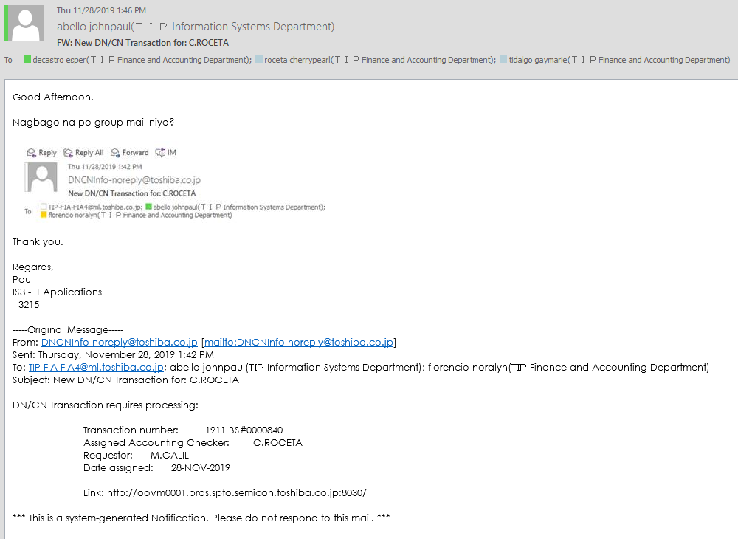

Recovery
As per phone conversation.

Change obsolete group mail recipient
TIP-FIA-FIA4@ml.toshiba.co.jp

To
decastro esper(ＴＩＰ Finance and Accounting Department) esper.decastro@toshiba.co.jp
cecilio rowena(ＴＩＰ Finance and Accounting Department) rowena.cecilio@toshiba.co.jp
tidalgo gaymarie(ＴＩＰ Finance and Accounting Department) gaymarie2.tidalgo@toshiba.co.jp
roceta cherrypearl(ＴＩＰ Finance and Accounting Department) cherrypearl1.roceta@toshiba.co.jp

SELECT *
FROM tip_default_values
WHERE 1=1
AND table_name LIKE '%XXTIP_MAIL_SENDER%'
AND field_name LIKE '%DNCN_NOTIFICATION_RECEPIENT%'

ORGANIZATION_ID | TABLE_NAME | FIELD_NAME | ADDITIONAL_KEY | DEFAULT_VALUE | CREATED_BY | CREATION_DATE | LAST_UPDATED_BY | LAST_UPDATE_DATE | OWNER | DESCRIPTION
102 | XXTIP_MAIL_SENDER | DNCN_NOTIFICATION_RECEPIENT | FIA-GroupMail | TIP-FIA-FIA4@ml.toshiba.co.jp | 7889 | 2/22/16 | 11989 | 2019-03-22
102 | XXTIP_MAIL_SENDER | DNCN_NOTIFICATION_RECEPIENT-X | T090593196E0006 | nenoca.oquialda@toshiba.co.jp | 7889 | 2/22/16 | 11989 | 2019-10-22
102 | XXTIP_MAIL_SENDER | DNCN_NOTIFICATION_RECEPIENT | T090593117M0001 | johnpaul2.abello@toshiba.co.jp | 7889 | 2/22/16 | 11989 | 2019-02-06
102 | XXTIP_MAIL_SENDER | DNCN_NOTIFICATION_RECEPIENT | T090593197F0023 | noralyn.florencio@toshiba.co.jp | 11989 | 10/22/19 | 11989 | 10/22/19

DELETION of group mail
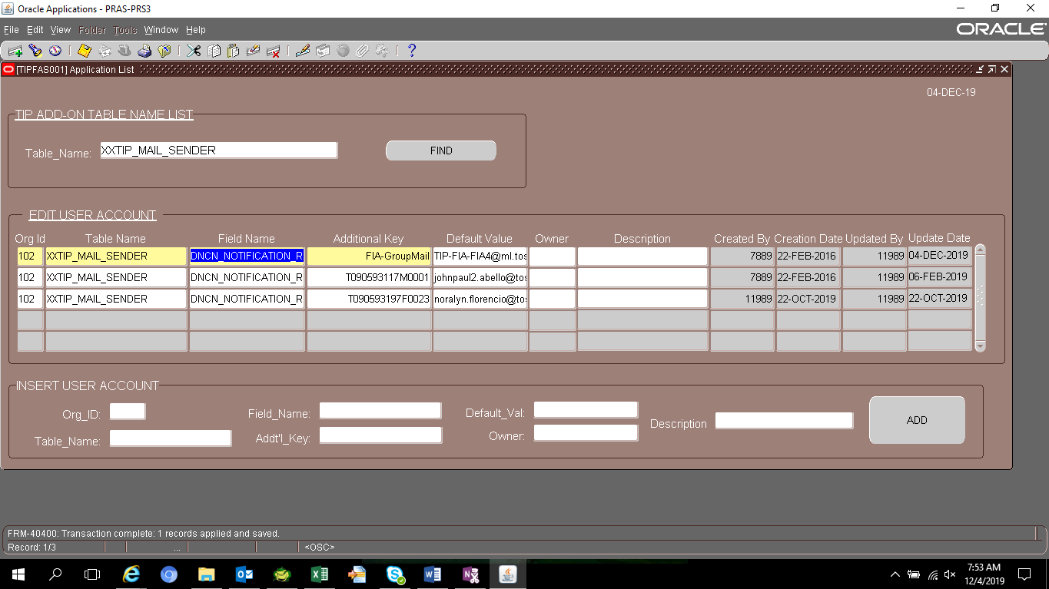

ORGANIZATION_ID | TABLE_NAME | FIELD_NAME | ADDITIONAL_KEY | DEFAULT_VALUE | CREATED_BY | CREATION_DATE | LAST_UPDATED_BY | LAST_UPDATE_DATE | OWNER | DESCRIPTION
102 | XXTIP_MAIL_SENDER | DNCN_NOTIFICATION_RECEPIENT-X | FIA-GroupMail | TIP-FIA-FIA4@ml.toshiba.co.jp | 7889 | 2/22/16 | 11989 | 2019-12-04
102 | XXTIP_MAIL_SENDER | DNCN_NOTIFICATION_RECEPIENT-X | T090593196E0006 | nenoca.oquialda@toshiba.co.jp | 7889 | 2/22/16 | 11989 | 2019-10-22
102 | XXTIP_MAIL_SENDER | DNCN_NOTIFICATION_RECEPIENT | T090593117M0001 | johnpaul2.abello@toshiba.co.jp | 7889 | 2/22/16 | 11989 | 2019-02-06
102 | XXTIP_MAIL_SENDER | DNCN_NOTIFICATION_RECEPIENT | T090593197F0023 | noralyn.florencio@toshiba.co.jp | 11989 | 10/22/19 | 11989 | 10/22/19

FULL_NAME | EMPLOYEE_NUMBER | EMAIL
ROCETA, Ms. CHERRY PEARL PERILLA | T090593117M0011 | cherrypearl1.roceta@toshiba.co.jp
TIDALGO, Ms. GAY MARIE DRAGON | T090593115D0005 | gaymarie2.tidalgo@toshiba.co.jp
LEYBAN, Ms. ESPER DE CASTRO | T090593107E0011 | esper.decastro@toshiba.co.jp
GABUCAY, Ms. ROWENA CECILIO | T090593197A0108 | rowena.cecilio@toshiba.co.jp

XXTIP_MAIL_SENDER
DNCN_NOTIFICATION_RECEPIENT

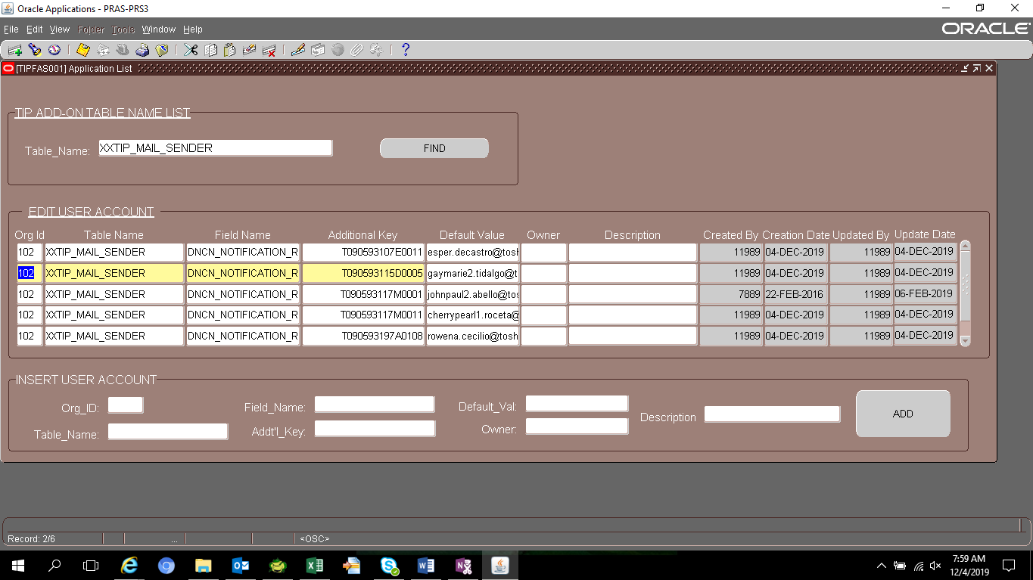

ORGANIZATION_ID | TABLE_NAME | FIELD_NAME | ADDITIONAL_KEY | DEFAULT_VALUE | CREATED_BY | CREATION_DATE | LAST_UPDATED_BY | LAST_UPDATE_DATE | OWNER | DESCRIPTION
102 | XXTIP_MAIL_SENDER | DNCN_NOTIFICATION_RECEPIENT-X | FIA-GroupMail | TIP-FIA-FIA4@ml.toshiba.co.jp | 7889 | 2/22/16 | 11989 | 2019-12-04
102 | XXTIP_MAIL_SENDER | DNCN_NOTIFICATION_RECEPIENT-X | T090593196E0006 | nenoca.oquialda@toshiba.co.jp | 7889 | 2/22/16 | 11989 | 2019-10-22
102 | XXTIP_MAIL_SENDER | DNCN_NOTIFICATION_RECEPIENT | T090593117M0001 | johnpaul2.abello@toshiba.co.jp | 7889 | 2/22/16 | 11989 | 2019-02-06
102 | XXTIP_MAIL_SENDER | DNCN_NOTIFICATION_RECEPIENT | T090593197F0023 | noralyn.florencio@toshiba.co.jp | 11989 | 10/22/19 | 11989 | 10/22/19
102 | XXTIP_MAIL_SENDER | DNCN_NOTIFICATION_RECEPIENT | T090593117M0011 | cherrypearl1.roceta@toshiba.co.jp | 11989 | 12/4/19 | 11989 | 12/4/19
102 | XXTIP_MAIL_SENDER | DNCN_NOTIFICATION_RECEPIENT | T090593115D0005 | gaymarie2.tidalgo@toshiba.co.jp | 11989 | 12/4/19 | 11989 | 12/4/19
102 | XXTIP_MAIL_SENDER | DNCN_NOTIFICATION_RECEPIENT | T090593107E0011 | esper.decastro@toshiba.co.jp | 11989 | 12/4/19 | 11989 | 12/4/19
102 | XXTIP_MAIL_SENDER | DNCN_NOTIFICATION_RECEPIENT | T090593197A0108 | rowena.cecilio@toshiba.co.jp | 11989 | 12/4/19 | 11989 | 12/4/19

